Table 1
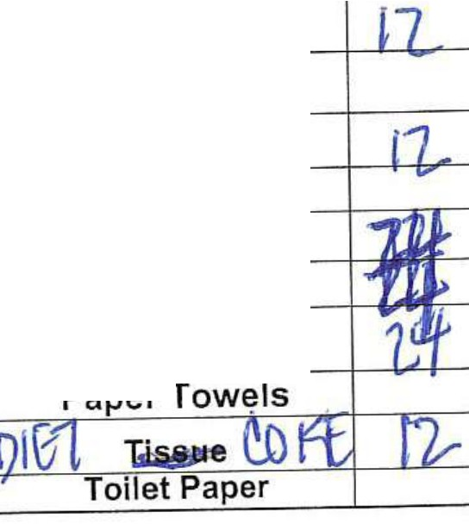
1 ORANGE JUICE
2 APPLE JUICE
3 TOMATO JUICE
4 BOTTLE WATER 1.5 L
5 BOTTLE WATER 0.5 L
6 COCA COLA BOTTLE 1.5 L
7
8
·g
10
11
12
13
14
15
16
COCA COLA CAN
SPRIT BOTTLE 1.5 L SPRIT CAN
Wet Ice 5kg Bag Sparkling water CLUB SODA
Ginger Ale
1, --½
I;;
�
"'-i
'--
�
-.z,...,
L
( 'iJflL,
z,
i
�'rJll
'11}1L
7
I
1�
7_
�H"ll.
VJML
VLML
7
I
7-
VGML
HNML
AVML
7,_
(
7
I
7-
I
MOML
DBML
EV
BC
EV
BC
3rd
2nd SVC/ leg
SPECIAL MEALS COUNT
SVC/leg
BC EV
₋ KSML
₋'1₋
'1
. ,
-
·7
k ,
....
TOTAL ('/.,
•
-
12.,
,-
A/CTYPE |  |  |  | STATION NAME |  | ETHIOPIAN CATERING DELIVERY NOTE |  |  |  |  |  |  |  |  |  |  | DATE: I i /} I / I
 |  |  |  |  |  | FLIGHT NO |  |  | DEPARTURE TIME |  |  |  | FROM |  |  | TO | SALES' I
B787 |  |  |  | ATL |  | ET519 |  |  | 10:50 |  |  |  | I I ATL |  |  | ADD
 | FREE BUMP MEALS
 | 8C |  | EV
HBF | 3 |  | 10
LCH/DN | 3 |  | 10
HLM
HCP | 3
SWH |  |  | 10
. . L,
·, Extra Hi-loader Cl BC_ EV_ CR Extra Hi-Loader Cl,BC EY_CR |  |  |  |  |  |  | Eth1op1an <?h+�A-9 TOTAL MEALS FROM FINAL EMAIL | 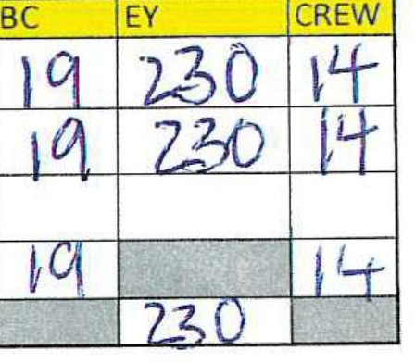 |  |  |  |  |  |  | UpCatering@ Up Catering@
NO. |  | DESCR,PTION |  |  |  | AMOUNT
1 |  | FRUIT BASKET
2 |  | CHEESE AND CRACKER |  |  |  | --
3 |  | FRESH ORANGE
4 |  | BREAD BASKET
5 |  | Standard Uolift
6 |  | LAUNDRY SERVICE
7 |  | HANDLING CHARGES
8 |  | EXTRA VAN CHARGE
9 |  | FRUIT PLATTER
10 |  | FASTING VEGGIE TRAY
11 |  | FASTING PASTA
12
13
14
15
16
17

HBF
LCH/DNR
HLM
HCP
SWH
����: ii..;� '\)
Please be advised that this document may be manually amended to reflect that fastest uplift and flight information.
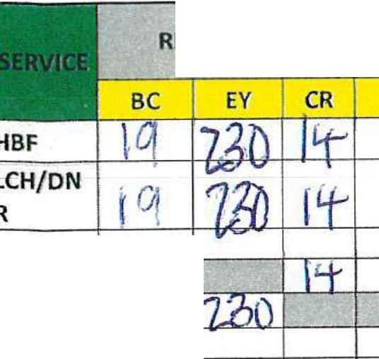
REGULAR MEALS COUNT
CP
HLM HCP
.(,,
F4SilN6
Eye
opener
CCP
SWH
Ethiopian Oellverv Nate 5/22/2026

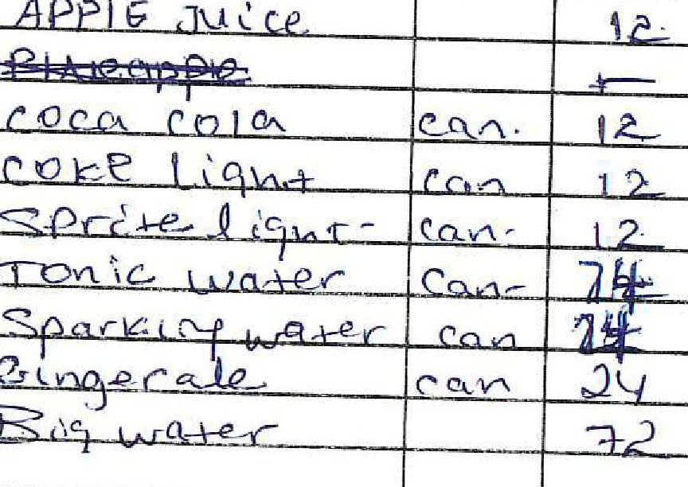
LOCAL PURCHASE ORDER No 10102
Date: :f\ l r\J -0 \- 'i.')D�-b Flt.No. �-5-ti':rA!Cfteg. A-c,12._ A.C.O.No. Station .40:: L,.�-:
Item Unit Quantity |  |  |  |  |  |  |  |  |  |  | Cost.Eth.Birr

White-supplier Yellow-Supv.Jnfit.catering Green-Retain in Book 901-1829
Outlook ET519-01June2026 FINAL Meal order From Sosina Mamushet <SosinaM@ethiopianairlines.com> Date Sun 5/31/2026 7:08 PM To Sullivan RD "Finals" <Finals.Sullivan@mainlineaviation.com>; Justin Favors <jfavors@mainlineaviation.com> Cc Henock Girma <HenockG@ethiopianairlines.com>
WARNING: EXTERNAL EMAIL - USE CAUTION AND BEWARE OF FRAUDULENT CONTENT AND LINKS
Dear all, Greetings!
Please find the FINAL meal order for ET519/01 JUNE, and the preliminary for incoming flights below:
 | MEAL UPLIFT FOR ET519-01 JUNE- 26 CLOUD NINE 19 ECONOMY 230 CREW MEAL 5 CAPT REGULAR MEAL 11 CREW REGULAR MEAL SPECIAL MEALS CLOUD NINE 01 MOML 02 SFML ECONOMY 02 SFML 02 GFML 02 VGML 03 SPML
 | 02 CHML 02 MOML
PRELIMINARY ORDER:
 | DATE |  |  |  |  | FLT NO |  |  |  | BUSINESS |  |  |  | ECONOMY
 | 03-June |  |  |  |  | ET519 |  |  |  | 22 |  |  |  | 240
 | OS-June |  |  |  |  | ET519 |  |  |  | 14 |  |  |  | 227
 | 08- June |  |  |  |  | ET519 |  |  |  | 19 |  |  |  | 217
Best Regards,
From: Sosina Mamushet Sent: Saturday, May 30, 2026 12:56 PM To: Finals.Sullivan@mainlineaviation.com; Jfavors Cc: Henock Girma Subject: ET519-01June2026 PRELIMINARY Meal order
RESEND!
Dear all, Greetings!
Please find the PRELIMINAR meal order for ET519/01 JUNE, and the preliminary for incoming flights below:
 | MEAL UPLIFT FOR ET519-01 JUNE- 26 CLOUD NINE 22 ECONOMY 227 CREW MEAL 5 CAPT REGULAR MEAL 11 CREW REGULAR MEAL
SPECIAL MEALS CLOUD NINE 01 MOML 02 SFML ECONOMY 02 SFML 01 GFML 02 VGML 03 SPML 02 CHML 01 MOML
PRELIMINARY ORDER:
DATE |  |  |  |  | FLT NO |  |  | BUSINESS |  |  |  | ECONOMY
03-June |  |  |  |  | ET519 |  |  | 22 |  |  |  | 240
OS-June |  |  |  |  | ET519 |  |  | 14 |  |  |  | 227
08- June |  |  |  |  | ET519 |  |  | 19 |  |  |  | 217
Best Regards,

